Fitness
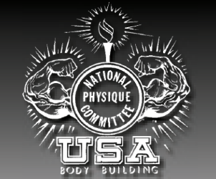
 |  | Judge Name:
 |  | Judge Number:
 |  | NPC Indiana

# | X Over | Fitness | Athlete Name | Place
52 |  |  | Anne Higgins | 1

Open Classic
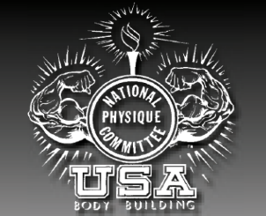
 |  | Judges Name:
 |  | Judges Number:
 |  | NPC Indiana

# | x Over | Classic Physique A up to and including 5'10" | Athlete Name | Place
73 | LN | OVERALL DIVISION CHAMPION | Chase Kaufman | 1
42 | LN |  | Stephen Holt | 2
25 | LN |  | Avery Itamura | 3
44 | LN |  | Gatlin Darling | 4
20 | LN |  | Taylor Shuey | 5
35 | LN |  | Aaron Blades
50 | LN |  | Nick Pledger
115 | LN |  | Joshua Miller
# | X Over | Classic Physique B over 5'10" | Athlete Name | Place
140 |  |  | Mark Church | 1
6 | LN |  | Anthony Whittle | 2
121 |  |  | Luke Hall | 3
8 | LN |  | Jeremy Piech | 4
126 | LN |  | Chandler Ankney | 5
11 | LN |  | Andrew Sypula
90 | LN |  | Willie Little
129 |  |  | Palmer Morris

